Sheet1
One Loop Fibc Bag
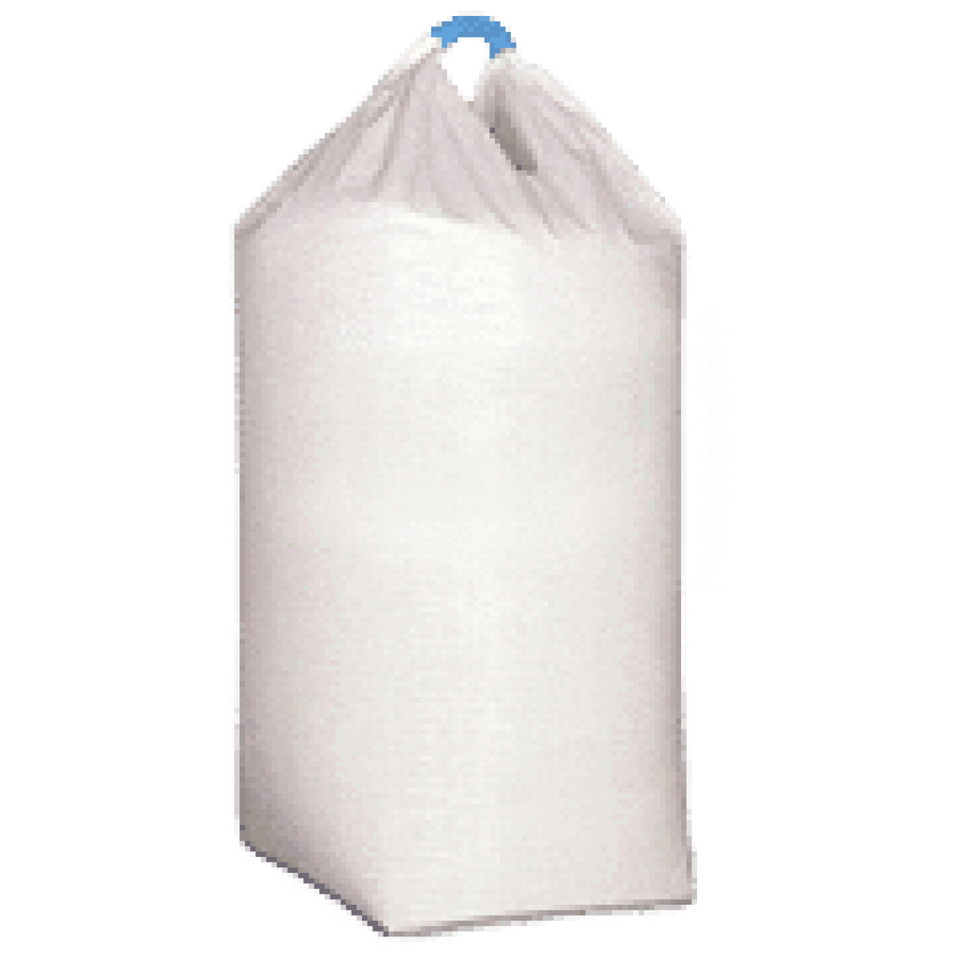

Features : Various Features of FIBC Bags
The Body-Fabric Of The Bag Itself Is Formed Into A Lifting Loop Which Gives The Bag A Higher Breaking Strength And Makes The Fibc Easier To Lift.
One Loop FIBC Are Generally Made Using Tubular/ Circular Polypropylene Fabric (Pp).
Uses : It's is mainly used in following industries.
This FIBC bag used to store Agriculture, Fertilizer, Seed, And Animal Feed
Building Industry: Cement, Fly-Ash, Others.
Advantages : Following are the advantages.
The 1 Loop Bags Have Proved To Be More Economical And More Efficient To Be Used As Compared To The Traditional 4 Loop Bags.
Theses Bags Have Gained Extra Bonus For Being Cost Effective And Also Being Able To Hold More Product As Compared To The Other Bags.

